Statistics & Graph
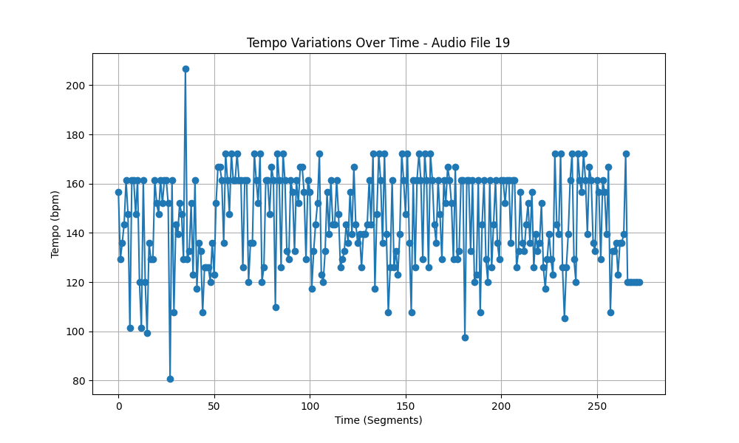
Metric | Value
Mean | 144.45657497
Standard Deviation | 19.089816094
Coefficient of Variation (CV) | 13.21491673

